📊 Visualizations
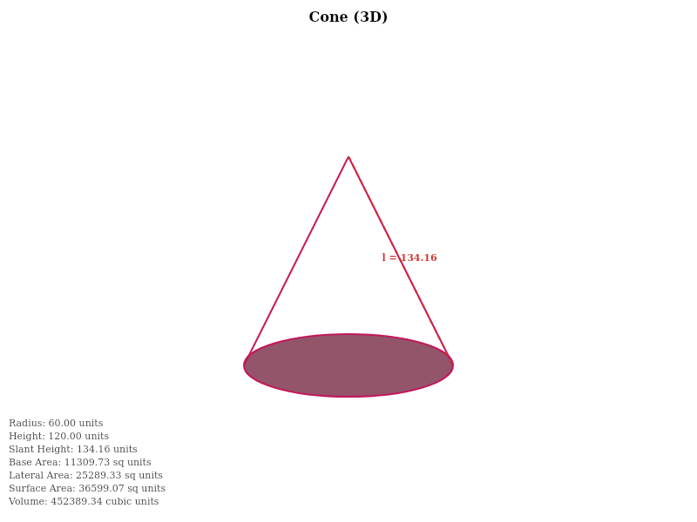
📐 GEOMETRIC SHAPES

Shape 1: Isosceles Triangle
Type: Triangle • Category: 2D Shapes • Dimensionality: 2D
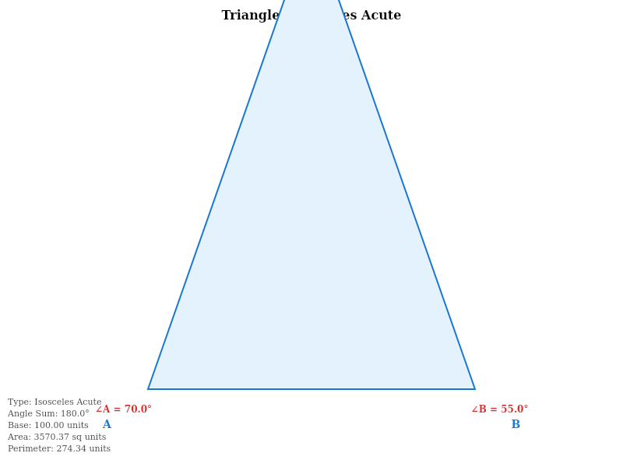

Shape 2: Perfect Circle
Type: Circle • Category: 2D Shapes • Dimensionality: 2D
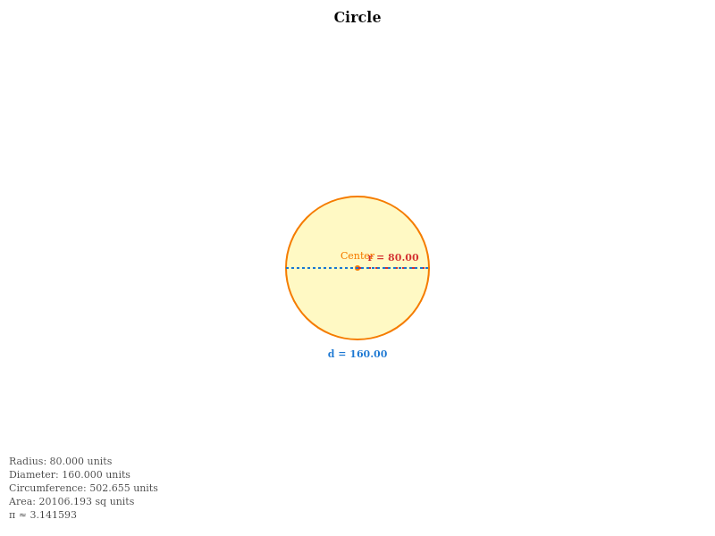

Shape 3: Golden Rectangle
Type: Rectangle • Category: 2D Shapes • Dimensionality: 2D
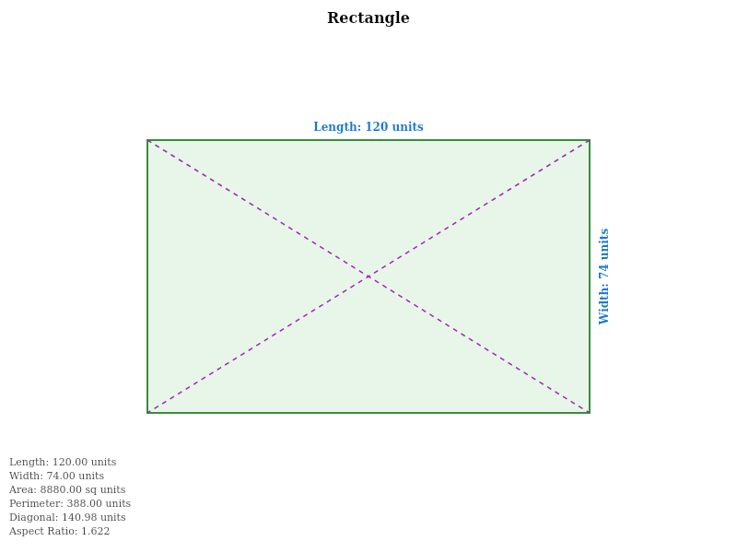

Shape 4: Perfect Square
Type: Square • Category: 2D Shapes • Dimensionality: 2D
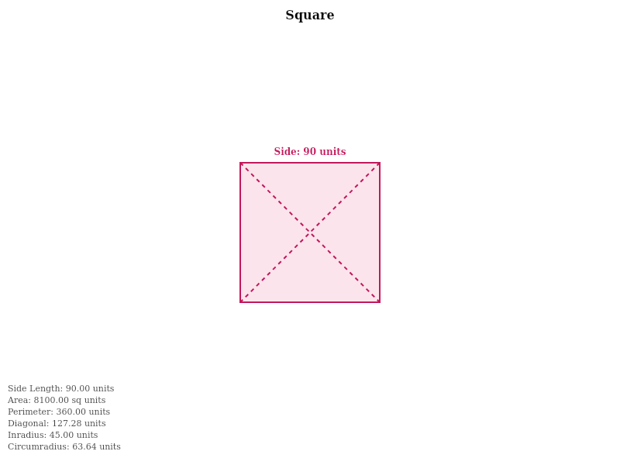

Shape 5: Ellipse (Orbit)
Type: Ellipse • Category: 2D Shapes • Dimensionality: 2D
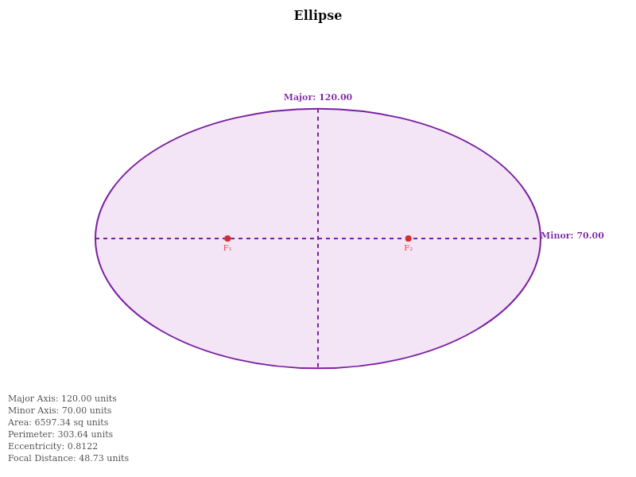

Shape 6: Regular Hexagon
Type: Regular Polygon • Category: 2D Shapes • Dimensionality: 2D
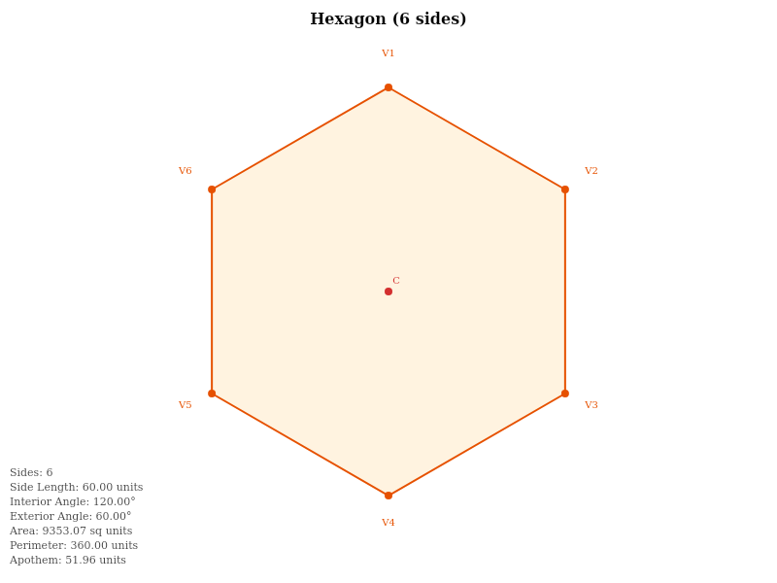

Shape 7: 3D Sphere
Type: Sphere • Category: 3D Shapes • Dimensionality: 3D
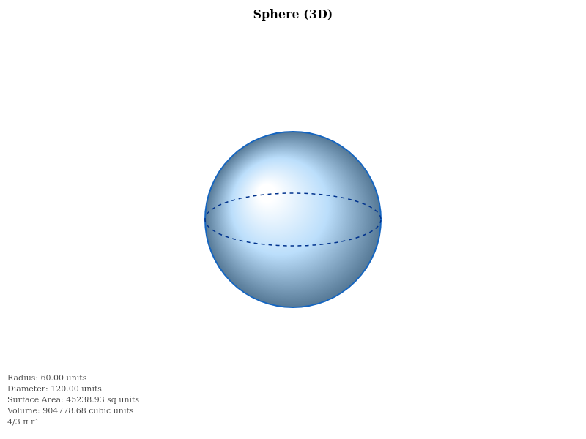

Shape 8: Isometric Cube
Type: Cube • Category: 3D Shapes • Dimensionality: 3D
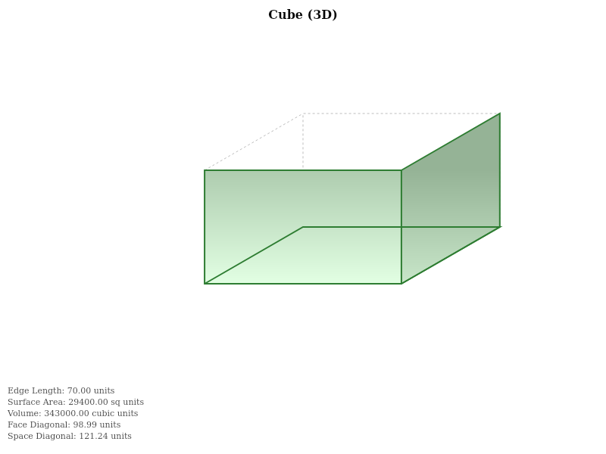

Shape 9: 3D Cylinder
Type: Cylinder • Category: 3D Shapes • Dimensionality: 3D
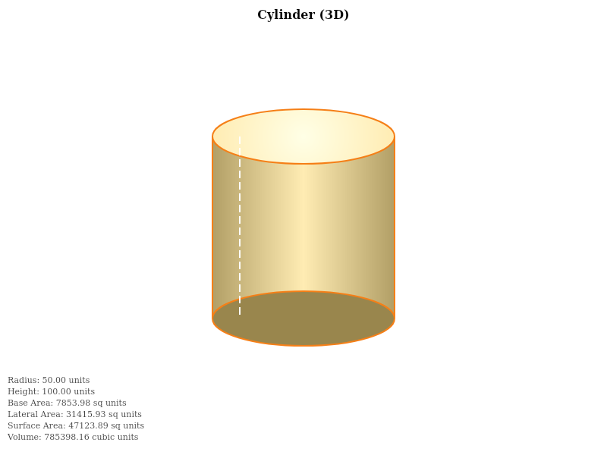

Shape 10: 3D Cone
Type: Cone • Category: 3D Shapes • Dimensionality: 3D

